RTL
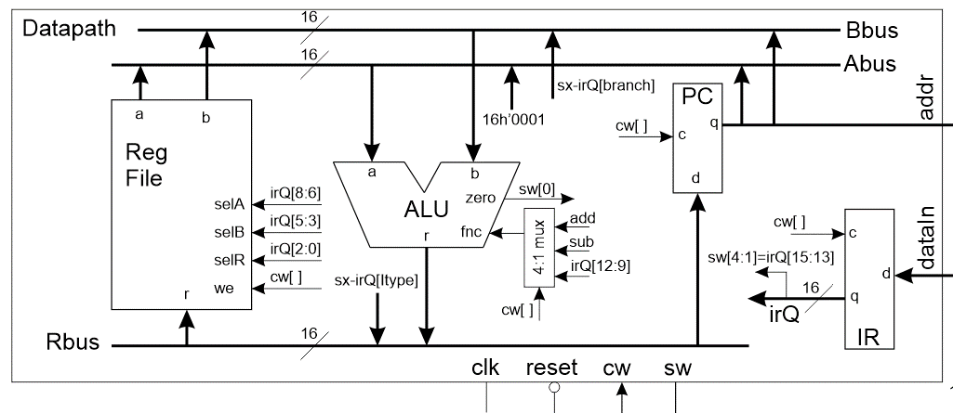

 | 10 | 9,8 | 7 | 6 | 5,4 | 3,2 | 1,0
Code | RF WE | ALU | PC | IR | ABUS | BBUS | RBUS
00 or 0 | No | IR[12:9] | Hold | Hold | RFa | RFb | MBR
1 |  |  |  |  | 0x01
10 |  | Sub |  |  |  | IR[BR] | IR[IMM]
11 or 1 | Write | Add | Load | Load | PC | PC | ALU

F1 | 0 | 11 | 1 | 1 | 01 | 11 | 11 | 11'b01111011111
ALU | 1 | 00 | 0 | 0 | 00 | 00 | 11 | 11'b10000000011
Imm | 1 | 11 | 0 | 0 | 00 | 00 | 10 | 11'b11100000010
B1 | 0 | 10 | 0 | 0 | 00 | 00 | 00 | 11'b01000000000
B2 | 0 | 11 | 1 | 0 | 11 | 10 | 11 | 11'b01110111011

